Pitchview
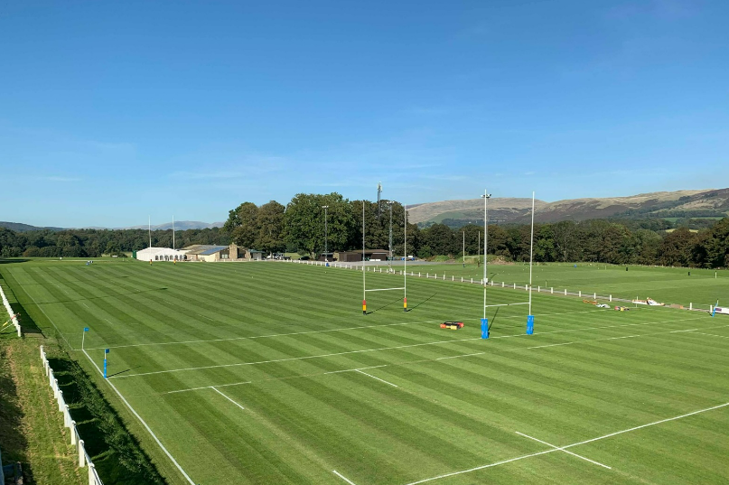
KLRUFC U16s Away versus Penrith U16
2025-03-09
ko 1430 (2.30pm)

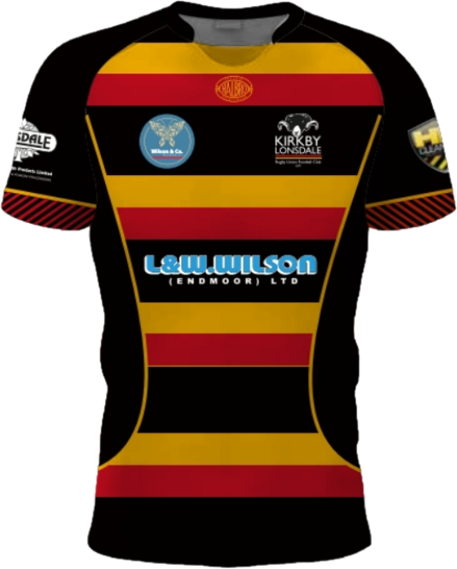


1 | #N/A
2 | G Skelton-Montgomery
3 | J Ridding
4 | E Black
5 | A Woodburn
6 | C Parry
7 | M Muldowney (C)
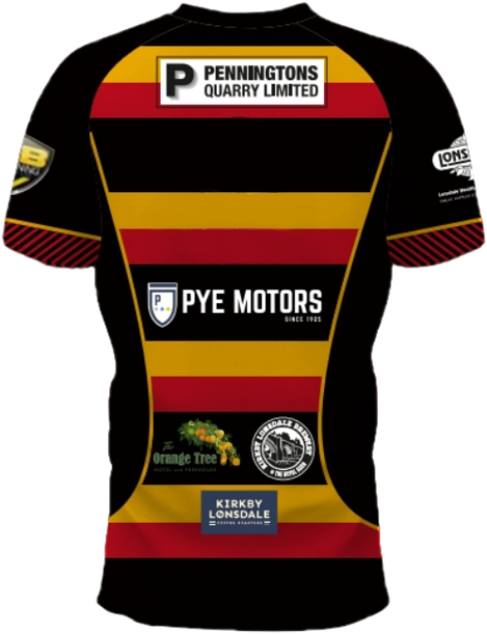
8 | J Barker (VC)

 |  | 9 | B Perie
 |  | 10 | E Gore
 |  | 11 | I Clayton
 |  | 12 | A Tipping | Coaches | D Barker
 |  | 13 | J Hutchings | Touch Judge | C Derbyshire
Official Match &
Ball Sponsor
 |  | 14 | C Derbyshire
 |  | 15 | G Southey

Subs: | M HarrisonR LudlamH Willoughby

Sheet4







